Schematic Checklist
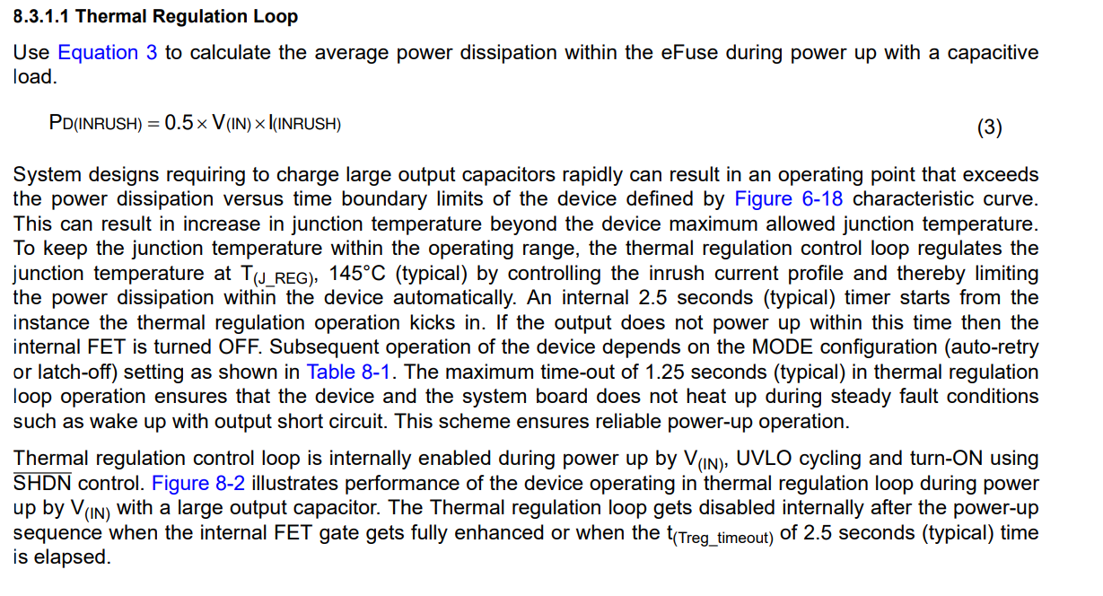
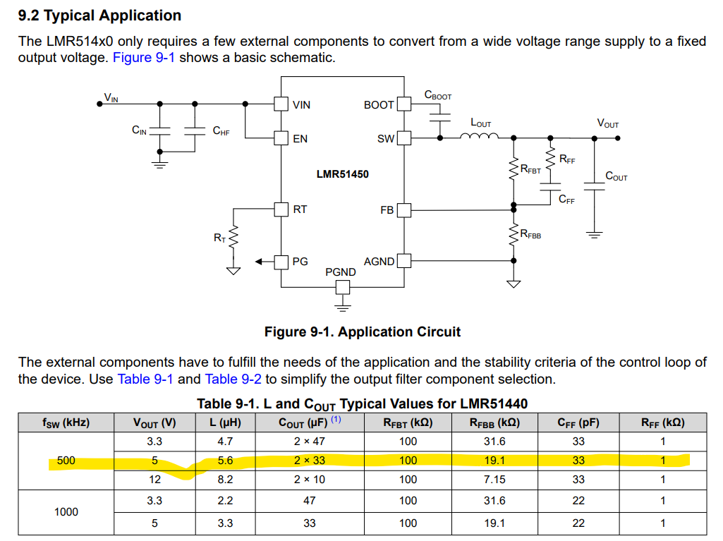
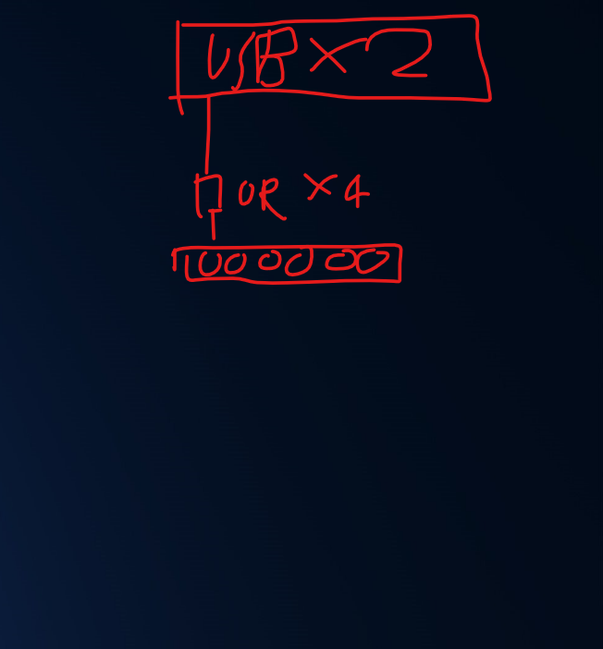
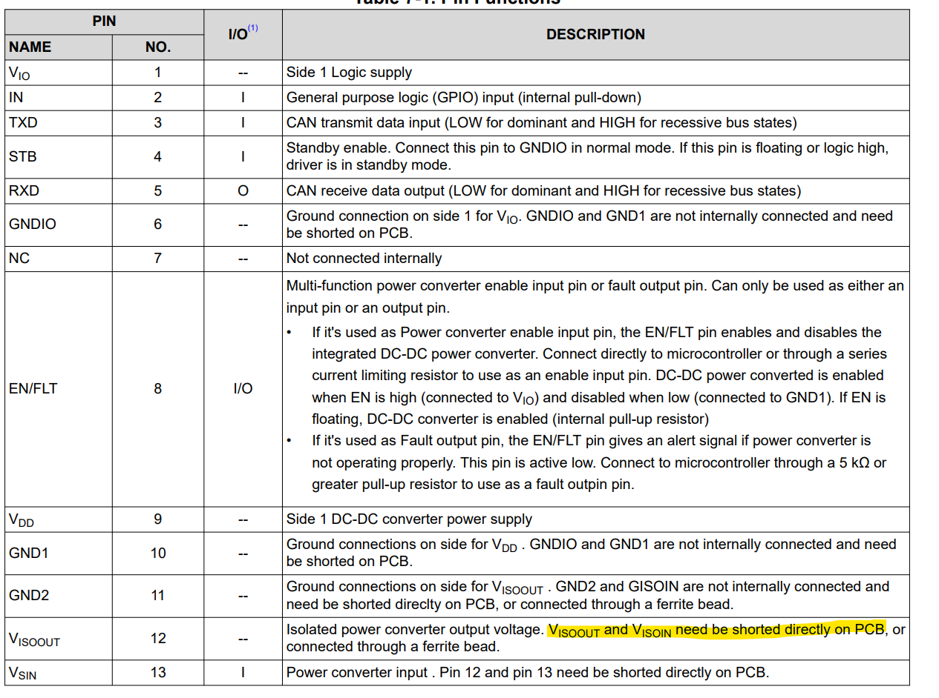
PIC | Andy Kan
Project | EMS Rev3
reviewer | Henry Lau
Date |  | 7th Jan, 2025
Schematic checklist |  | done
Signal/General
 | Check for unconnected signals, unconnected signals should have no ERC placed on it | ok
 | Check voltage level of signals when communicating between different IC | ok
 | Check if series resistors could be added to the GPIO for over current protection | ok
 | I2C SCL and SDA pins have pullup resistor to correct voltage level | ok
 | Each SPI device on the same bus has dedicated ChipSelect pin | N/A
 | Use design rule check to ensure no 2 output pins are directly connected together | N/A
 | UART TX is connected to RX and vice versa | ok
 | Opto-isolator are inplace for input from external source | ok, except for 2 gpio from UPS
 | Fool proof header systems are used for headers, preferably with latch | N/A
 | Shield AC or DC short to GND (depending on application and ground loop concerns) | N/A
 | Twist pair signals should have termination resistors | ok
 | Do not use auto direction RS485, if the RS485 is cnnected to an external environment | ok

Power
Input and output | Connector meets the required voltage and current rating | N/A
 | Connector polarity is correct (XT30, Mini-Fit etc) | N/A
 | Enough tolerance for input voltage | N/A
 | Reverse voltage protection (diode or MOSFET) | ok
 | TVS diode for transient protection | ok
 | Fuse for overcurrent protection (prefer PTC) for input and output connectors | ok
 | Big E-cap placed close to input connector | bulk cap for 24v input
 | Common mode choke is placed close to the input connector for noise sesitive devices | N/A
 | Female headers for power output, male headers for power input | N/A
 | Output connectors should have protections (e.g. diodes, fuse) | IDC connector missing protection

Internal Component | Inductor with correct saturation and DC current rating | ok
 | decoupling caps for high frequency switching IC VCC pin | ok
 | Ceramic capacitor with 20% headroom in voltage rating | cant check
 | Electrolytic capacitor with 35% head room in voltage rating | cant check
 | Tantalum capacitor with 50% head room in voltage rating | N/A
 | Capacitor package could be purchased at reasonable price at its rated voltage and value | cant check
 | Choke or dedicated PMIC for soft start to reduce transient current | yes, but high power lost

DC-DC converter | If isolated DC-DC converter are used, add resistor on the output side to provide minimum loading | N/A
 | Use LDO if the device is sensitive to noise | ok
 | Calculate the heat generated from LDO, do not just look at its max voltage and max current rating | ok, LDO used for signal power only
 | buck converter with correct voltage and current rating are used | ok, but some component selection could be closer to the recommended design

MOSFET | Conduction and switching power loss calculation are performed and listed inside the schematic | missing for e fuse soft start, potential thermal issue for the internal mosfet in efuse
 | Voltage rating is 200% for high transient loading | N/A
 | Check threshold voltage of the MOSFET and its switching frequency see if a mosfet driver is needed to drive the mosfet | ok
 | Current limiting resistor is added between gate and GPIO if it is directly controlled by MCU | N/A
 | Flyback diode is inplace for low side drivers | ok
 | See if heatsink is required in your application | N/A
Diode | Proper voltage and current rating | ok
 | Select correct package (usually one model will have multiple package | cant check

STM32
 | UART0, CAN1, RS485 and ST-Link connected to proper headers | N/A
 | Ensure the IC could read 3.3V logic level when it is powered by 5V | N/A
 | 100nF decoupling cap on each power input pin, with a 1uF or 10uF capacitor for 3.3V rail | N/A
 | Extra ceramic capacitor pads and ferrite bead on AVDD pin if on board ADC is required | N/A
 | Ensure 5V signal input are connected to 5V tolerant pin | N/A
 | Check if pinout selected can do the desired function (check with STM32 CubeMX/IDE) | N/A
 | A screenshot of STM32CubeIDE/MX should be present in the schematic for checking purpose | N/A
 | External high speed crystal at 8MHz is present with correct load capacitors | N/A
 | nRST pin has reset button, pull down resistor and a 100nF capacitor | N/A
 | Check the total current consumption is lower than the limit of the MCU | N/A
 | HSE crystal should be added, with its corresponding | N/A

Opamp
 | Check rail to rail voltage offset | ok
 | Check slew rate is fast enough for the usage | N/A
 | Check its frequency to gain chart | N/A
 | Check its voltage range | ok
 | Check its input and output voltage range in relationship to the supply voltage | ok
 | Check if it is a rail to rail output/input , if you need it | N/A
 | Never use a op amp as a comparator (even if in theory it should work) | ok
 | When there is a positive and negative power rail, decoupling cap should be placed from VCC to GND and from VEE to GND | N/A
 | Have alternative/better opamp available in the same footprint for upgrade purpose | ok
 | Check if it is unit gain stable, when you design a voltage follower | ok
 | Add RC to the input of opamp for active low pass filter | N/A

Beaglebone
 | EMMC pins are not being used at all, MUST communicate with firmware/software engineers before using | ok
 | LCD GPIO could only be used if the HDMI is not required | N/A
 | Check would the default state of the GPIO would affect the start up sequence of the connected device (output signals) | ok
 | Analog signal should not exceed 1.8V | ok
 | Digital signal should not exceed 3.3V | ok
 | Power supply input should be 5V and 2A for powering the SBC and its GPIOs | ok
 | IF SYSBOOT need to be used as input pins, make sure the input signal would not affect its expected boot up behaviours | ok
 | Pin 41 and pin 42 on P9 header should be used with caution | ok
 | When using LCD GPIO, prefer to use those that are not sysboot pins first | ok
 | 5V_SYS is for 5V output only and should not be powered from the PCB | ok

Miscellaneous
 | Check if the PCB footprint is selected correctly (and make sure you buy the right one) | N/A
 | Check if the components chosen are in stock | N/A
 | Check if M3 mounting holes are added, add more for structural support if PCB is huge | N/A
 | M3 Mounting have clearance room for copper/nylong pillar to sit above/under it | N/A
 | M3 Mounting are NOT connected to gound directly, connect to GND via a RC circuit | N/A
 | Check footprint for new components used in the project | N/A
 | Equations are listed inside schematic for easy double check afterwards | ok

